Telem_PWR_Board
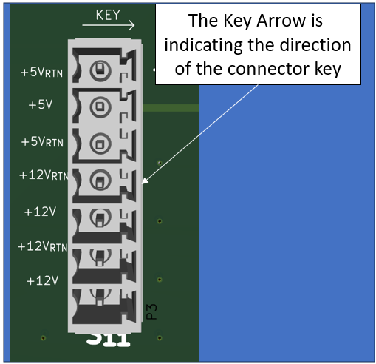
Item | Qty | REF DES | Manufacturer | Part Number |  | Description / Value | Package | Part Type | Notes
 |  |  |  | Manufacturer | Distributor
1 | 1 | C1 | KYOCERA AVX | TAJD107M016RNJ | Digi-Key: 478-3919-1-ND | Tantalum Capacitor / 100uF | 2917 | SMD | -
2 | 1 | C2 | KEMET | T491A106K016AT | Digi-Key: 399-8269-1-ND | Tantalum Capacitor / 10uF | 1206 | SMD | -
3 | 2 | C3,C9 | Samsung Electro-Mechanics | CL10B105KP8NNNC | Digi-Key: 1276-1946-1-ND | Ceramic Decoup. Cap / 1uF | 0603 | SMD | -
4 | 3 | C4,C7,C8 | Yageo | CC0603KRX7R7BB104 | Digi-Key: 311-1088-1-ND | Ceramic Decoup. Cap / 0.1uF | 0603 | SMD | -
5 | 2 | C5,C6 | Yageo | CC0603KRX7R9BB103 | Digi-Key: 311-1085-1-ND | Ceramic Decoup. Cap / 0.01uF | 0603 | SMD | -
6 | 1 | D1 | Nexperia USA Inc. | PLVA653A,215 | Digi-Key: 1727-5168-1-ND | 5.3V Zener Diode | TO-236AB | SMD | -
7 | 1 | F1 | Little Fuse | 0438001.WR | Digi-Key: F2947CT-ND | FUSE BRD MNT 1A 32VAC 63VDC 0603 | 0603 | SMD | -
8 | 6 | J2, J3, J4, J5, J6, J7 | Phoenix Contact | 1803471 | Digi-Key: 277-1226-ND | TERM BLOCK HDR 7POS VERT 3.81MM | 7-Pos | Through Hole | -
9 | 2 | L1,L2 | Coil Craft | MLC1538-152ML_ | Coil Craft: MLC1538-152ML_ | Series Inductor, 1.5uH | - | SMD | -
10 | 1 | LED | Würth Elektronik | 150060AS75000 | Digi-Key: 732-150060AS75000CT-ND | Series LED, Amber | 0603 | SMD | -
11 | 1 | M1 | Toshiba Semiconductor and Storage | SSM3K15AFS,LF | Digi-Key: SSM3K15AFS_LF | N-FET | SOT-416 | SMD | -
12 | 1 | J1 | Würth Elektronik | 618009231121 | Digi-Key: 732-618009231121-ND | Male D-Sub Connector | 9-Pos D-Sub | SMD | -
13 | 1 | R1 | DO NOT INSTALL |  |  |  | 0805 | SMD | -
14 | 2 | R2,R3 | Yageo | RC0603FR-0749K9L | Digi-Key: 311-49.9KHRCT-ND | Series Chip Res, 49.9k | 0603 | SMD | -
15 | 1 | R4 | Panasonic Electronic Components | ERJ-3EKF1000V | Digi-Key: P100HCT-ND | Series Chip Res, 100 | 0603 | SMD | -
16 | 1 | R5 | Panasonic Electronic Components | ERJ-P06J100V | Digi-Key: P10ADCT-ND | Series Chip Res, 10 | 0805 | SMD | -
17 | 1 | U1 | CUI | PDQ30-Q24-S5-D | Digi-Key: 102-3891-ND | DC-DC Converter (5V @ 30W) | - | Through Hole | -
18 | 4 | P12Vrtn, P5V, P5Vrtn, Chassis | Keystone Electronics | 5011 | Digi-Key: 36-5011-ND | - | - | Through Hole | -

Total Parts | 32

 | NOTES: | The Key directions on the silkscreen are indicating the direction of the key for each Pheonix connector

